Sheet1
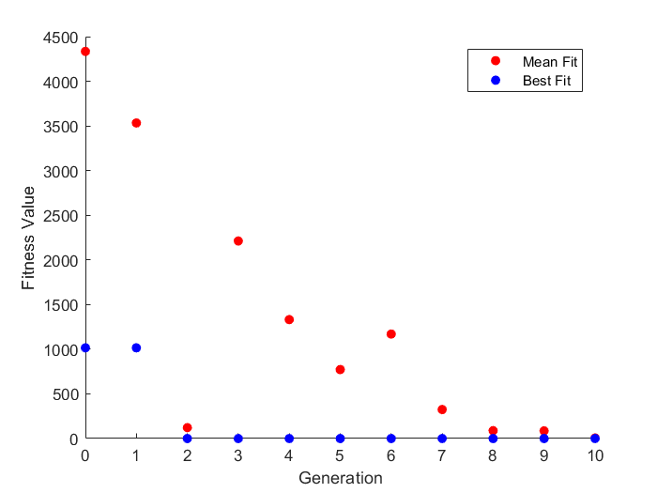
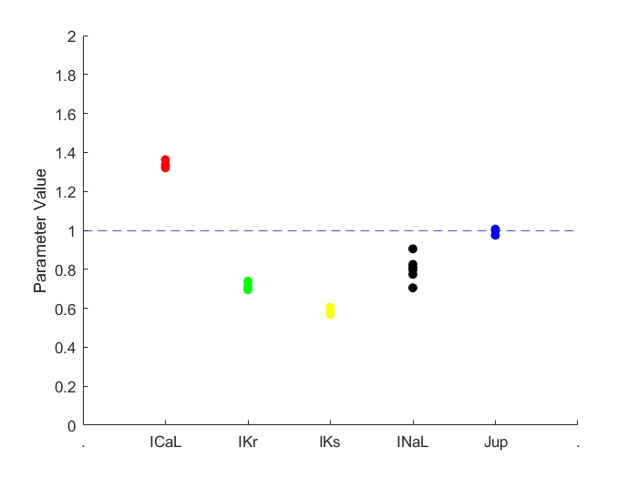
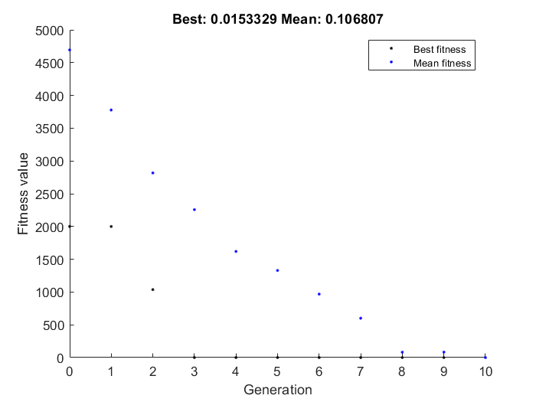
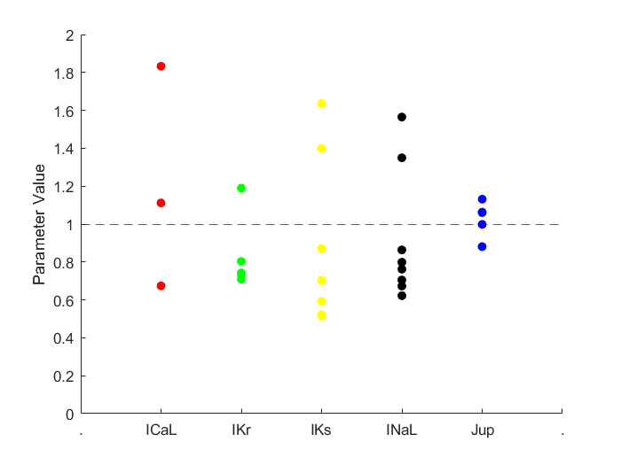
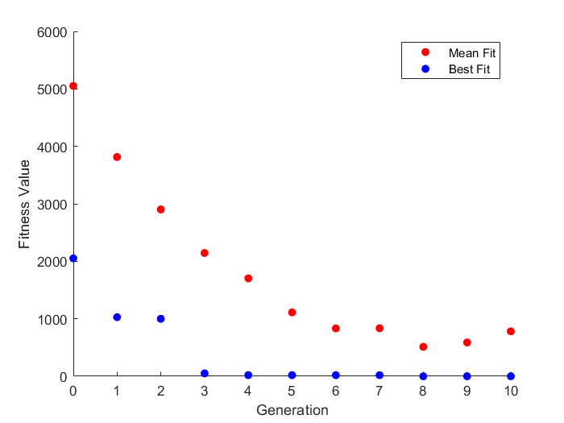
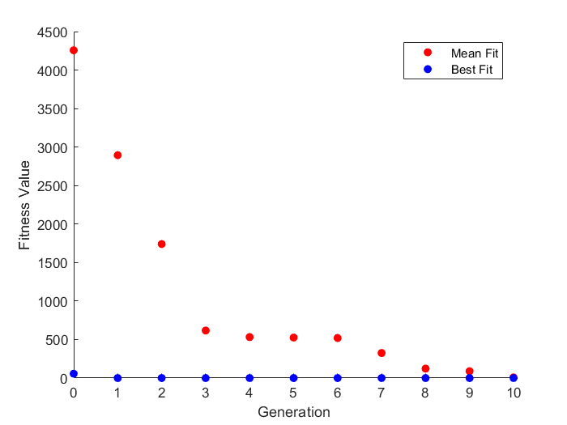
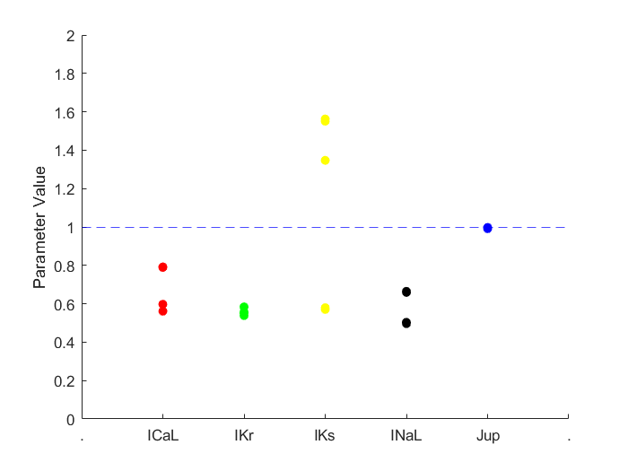
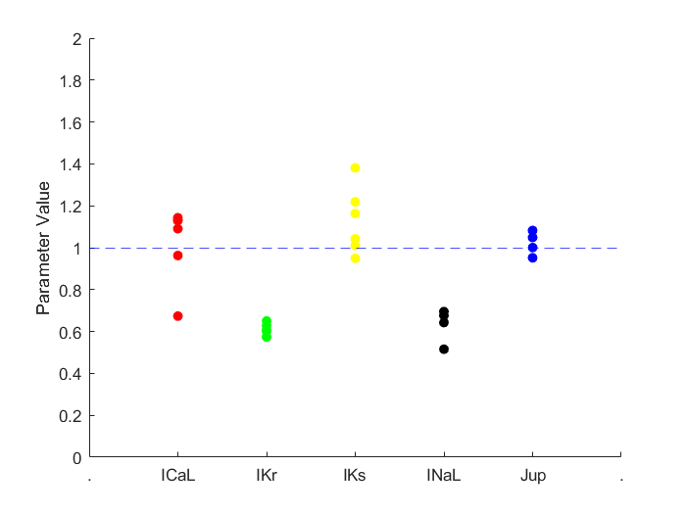
error = E_apd10 + E_apd50 + E_apd90 + E_CaTamp + E_CaT90 + E_CaT50 + E_CaT10 + E_maxV + E_EAD

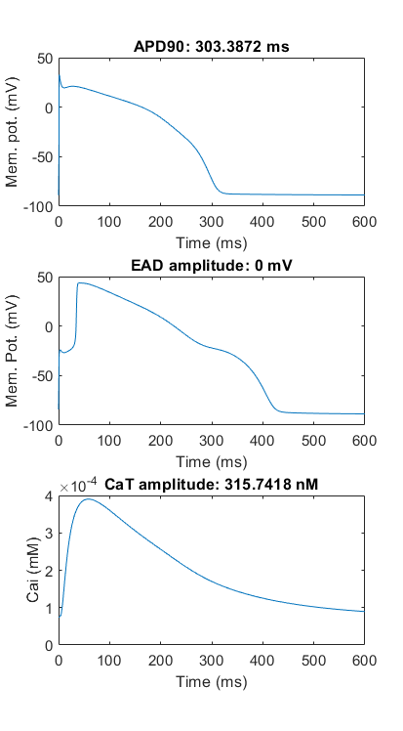
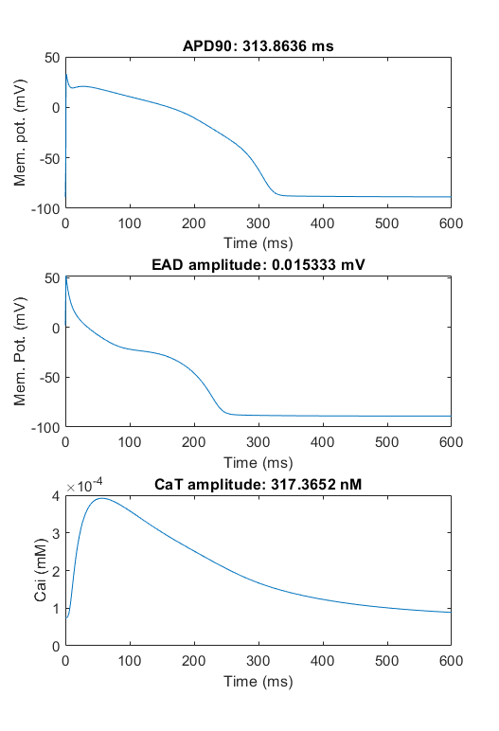
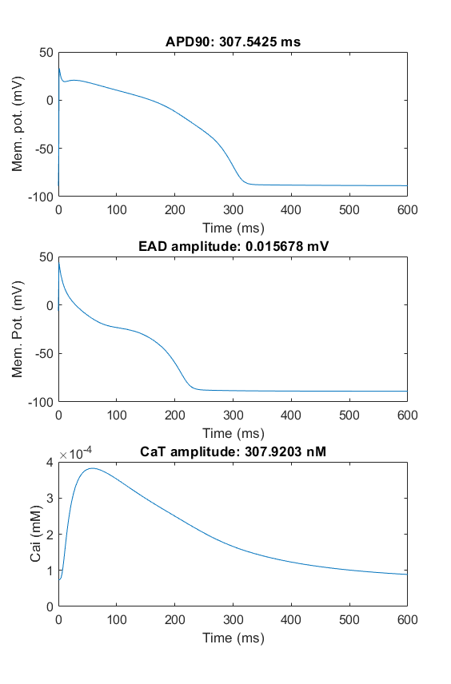
Trial 1 |  |  |  |  | Trial 2 |  |  |  |  | Trial 3 |  |  |  |  | Trial 4 |  |  |  |  | Trial 5
ICaL | Ikr | Iks | INaL | Jup | ICaL | Ikr | Iks | INaL | Jup | ICaL | Ikr | Iks | INaL | Jup | ICaL | Ikr | Iks | INaL | Jup | ICaL | Ikr | Iks | INaL | Jup
0.27824416527 | -0.3484701852 | -0.56457796391 | -0.22470922125 | -0.025169114555 | -0.57560655475 | -0.62728122608 | -0.61549287881 | -0.63030075227 | 0.0074094330882 | DID NOT SAVE VALUES! |  |  |  |  | -0.23688242187 | -0.6007930344 | -0.56120672059 | -0.69975585937 | -0.0088944499999 | 0.60581439939 | -0.34446822189 | -0.64846954289 | -0.22457732053 | -0.0016345002236
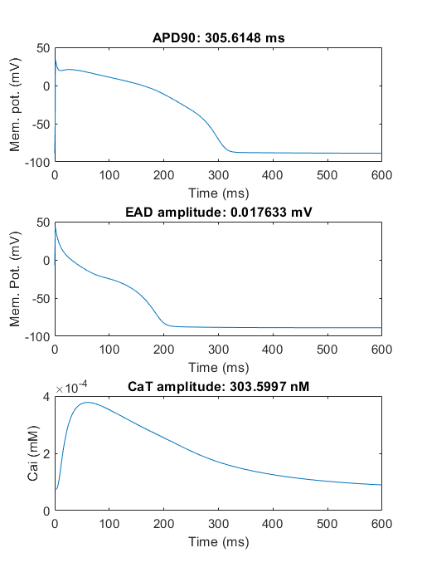
1.3208086534 | 0.70576695701 | 0.56860006588 | 0.79874844407 | 0.97514498687 | 0.56236366099 | 0.53404176788 | 0.54037449053 | 0.5324316469 | 1.0074369509 |  |  |  |  |  | 0.78908406159 | 0.54837658212 | 0.57052018983 | 0.49670655524 | 0.99114498861

0.27824416527 | -0.3015951852 | -0.54895296391 | -0.34970922125 | -0.025169114555 | -0.62690791339 | -0.62728122608 | -0.61549287881 | -0.68577235632 | 0.0074094330882 |  |  |  |  |  | -0.23688242187 | -0.6007930344 | -0.56120672059 | -0.7 | -0.0088944499999 | 0.60581439939 | -0.34446822189 | -0.64846954289 | -0.22457732053 | -0.0016345002236
0.27824416527 | -0.3484701852 | -0.50207796391 | -0.099709221253 | -0.025169114555 | -0.57560655475 | -0.62728122608 | -0.61549287881 | -0.68577235632 | 0.0074094330882 |  |  |  |  |  | -0.23688242187 | -0.6007930344 | -0.56120672059 | -0.7 | -0.0088944499999 | 0.60581439939 | -0.34446822189 | -0.64846954289 | -0.22457732053 | -0.0016345002236
0.27824416527 | -0.3484701852 | -0.50207796391 | -0.099709221253 | -0.025169114555 | -0.62690791339 | -0.62728122608 | -0.61549287881 | -0.68577235632 | 0.0074094330882 |  |  |  |  |  | -0.23688242187 | -0.6007930344 | -0.56120672059 | -0.7 | -0.0088944499999 | -0.39418560061 | 0.17364731129 | -0.66409454289 | 0.44767482394 | -0.0016345002236
0.27824416527 | -0.3015951852 | -0.56457796391 | -0.22470922125 | -0.0017316145554 | -0.62690791339 | -0.62728122608 | -0.61549287881 | -0.68577235632 | 0.0074094330882 |  |  |  |  |  | -0.23688242187 | -0.6007930344 | -0.56120672059 | -0.7 | -0.0088944499999 | 0.7 | 0.17364731129 | -0.13843862425 | 0.44767482394 | -0.0016345002236
0.27824416527 | -0.3640951852 | -0.54895296391 | -0.22080297125 | -0.025169114555 | -0.19701085397 | -0.62728122608 | -0.61549287881 | -0.68577235632 | 0.0074094330882 |  |  |  |  |  | -0.23688242187 | -0.6007930344 | -0.56120672059 | -0.7 | -0.0088944499999 | -0.39418560061 | 0.17364731129 | -0.13843862425 | 0.44767482394 | -0.0016345002236
0.27824416527 | -0.3015951852 | -0.56457796391 | -0.22470922125 | -0.0017316145554 | -0.62690791339 | -0.62728122608 | -0.61549287881 | -0.68577235632 | 0.0074094330882 |  |  |  |  |  | -0.57753630544 | -0.5382930344 | -0.56120672059 | -0.7 | -0.0088944499999 | 0.60581439939 | 0.17364731129 | -0.13843862425 | 0.44767482394 | -0.0016345002236
0.27824416527 | -0.3484701852 | -0.56457796391 | -0.22470922125 | -0.025169114555 | -0.62690791339 | -0.62728122608 | -0.61549287881 | -0.68577235632 | 0.0074094330882 |  |  |  |  |  | -0.23688242187 | -0.6007930344 | -0.56120672059 | -0.7 | -0.0088944499999 | -0.39418560061 | -0.34446822189 | -0.64846954289 | -0.22457732053 | -0.0016345002236
0.27824416527 | -0.3640951852 | -0.56457796391 | -0.22470922125 | -0.025169114555 | -0.63810655475 | -0.49132008346 | 0.19396403155 | -0.68577235632 | 0.0074094330882 |  |  |  |  |  | -0.23688242187 | -0.6007930344 | -0.56120672059 | -0.7 | -0.0088944499999 | 0.7 | 0.17364731129 | -0.66409454289 | 0.3 | -0.0016345002236
0.27824416527 | -0.3640951852 | -0.56457796391 | -0.22470922125 | -0.0017316145554 | -0.57560655475 | -0.62728122608 | -0.61549287881 | -0.68577235632 | 0.0074094330882 |  |  |  |  |  | -0.23688242187 | -0.6007930344 | 0.44624058385 | -0.7 | -0.0088944499999 | -0.39418560061 | 0.17364731129 | -0.13843862425 | 0.44767482394 | -0.0016345002236
0.27824416527 | -0.3640951852 | -0.54895296391 | -0.22470922125 | -0.025169114555 | -0.62690791339 | -0.62728122608 | -0.61549287881 | -0.68577235632 | 0.0074094330882 |  |  |  |  |  | -0.23688242187 | -0.6007930344 | -0.56120672059 | -0.7 | -0.0088944499999 | -0.39418560061 | 0.17364731129 | -0.13843862425 | 0.44767482394 | -0.0016345002236
0.27824416527 | -0.3640951852 | -0.50207796391 | -0.099709221253 | -0.025169114555 | -0.19701085397 | -0.62728122608 | -0.61549287881 | -0.68577235632 | 0.0074094330882 |  |  |  |  |  | -0.23688242187 | -0.6007930344 | -0.56120672059 | -0.7 | -0.0088944499999 | 0.7 | 0.17364731129 | 0.33590545711 | -0.22457732053 | 0.058369288643
0.27824416527 | -0.3015951852 | -0.54895296391 | -0.34970922125 | -0.025169114555 | -0.62690791339 | -0.49132008346 | 0.48704547463 | -0.68577235632 | 0.0074094330882 |  |  |  |  |  | -0.57753630544 | -0.5890742844 | 0.7 | -0.7 | -0.0088944499999 | -0.39418560061 | 0.17364731129 | -0.35159454289 | -0.27145232053 | 0.060865499776
0.27824416527 | -0.3484701852 | -0.56457796391 | -0.099709221253 | -0.025169114555 | -0.62690791339 | -0.62728122608 | -0.61549287881 | -0.68577235632 | 0.0074094330882 |  |  |  |  |  | -0.23688242187 | -0.6007930344 | 0.43879327941 | -0.7 | -0.0088944499999 | 0.7 | -0.34446822189 | -0.64846954289 | 0.44767482394 | -0.0016345002236
0.27824416527 | -0.3640951852 | -0.50207796391 | -0.099709221253 | -0.025169114555 | -0.57560655475 | -0.62728122608 | -0.61549287881 | -0.63030075227 | 0.0074094330882 |  |  |  |  |  | -0.23688242187 | -0.5382930344 | -0.56120672059 | -0.40856288753 | -0.0088944499999 | 0.7 | 0.17364731129 | -0.13843862425 | 0.44767482394 | -0.0016345002236
0.27824416527 | -0.3640951852 | -0.50207796391 | -0.099709221253 | -0.025169114555 | -0.62690791339 | -0.62728122608 | -0.61549287881 | -0.68577235632 | 0.0074094330882 |  |  |  |  |  | -0.57753630544 | -0.61904114695 | 0.7 | -0.7 | -0.0088944499999 | 0.60581439939 | -0.21946822189 | 0.33590545711 | -0.22457732053 | -0.0016345002236
0.27824416527 | -0.3640951852 | -0.56457796391 | -0.22470922125 | -0.025169114555 | -0.19701085397 | -0.62728122608 | -0.61549287881 | -0.63030075227 | 0.0074094330882 |  |  |  |  |  | -0.23688242187 | -0.5890742844 | 0.2979626921 | -0.41637538753 | -0.0088944499999 | -0.39418560061 | -0.34446822189 | -0.64846954289 | -0.47457732053 | -0.0016345002236
0.27824416527 | -0.3640951852 | -0.56457796391 | -0.22470922125 | -0.025169114555 | -0.62690791339 | -0.62728122608 | -0.61549287881 | -0.68577235632 | 0.0074094330882 |  |  |  |  |  | -0.23688242187 | -0.6007930344 | -0.56120672059 | -0.7 | -0.0088944499999 | 0.60581439939 | 0.17364731129 | -0.64846954289 | -0.22457732053 | -0.0016345002236
0.27824416527 | -0.3640951852 | -0.56457796391 | -0.22470922125 | -0.025169114555 | -0.57560655475 | -0.62728122608 | 0.13146403155 | -0.68577235632 | 0.0074094330882 |  |  |  |  |  | -0.57753630544 | -0.61904114695 | -0.56120672059 | -0.7 | -0.0088944499999 | 0.10581439939 | -0.21946822189 | -0.66409454289 | -0.27145232053 | 0.058369288643
0.27824416527 | -0.3640951852 | -0.56457796391 | -0.22470922125 | -0.025169114555 | -0.19701085397 | -0.42882008346 | -0.61549287881 | -0.68577235632 | 0.0074094330882 |  |  |  |  |  | -0.51503630544 | -0.5890742844 | 0.2979626921 | -0.41637538753 | -0.0088944499999 | 0.60581439939 | -0.34446822189 | -0.64846954289 | 0.44767482394 | 0.058369288643
0.27824416527 | -0.3640951852 | -0.54895296391 | -0.22470922125 | -0.025169114555 | -0.62690791339 | -0.62728122608 | 0.13146403155 | -0.68577235632 | 0.0074094330882 |  |  |  |  |  | -0.23688242187 | -0.6007930344 | -0.56120672059 | -0.7 | -0.0088944499999 | -0.39418560061 | 0.17364731129 | -0.13843862425 | 0.44767482394 | 0.058369288643
0.27824416527 | -0.3640951852 | -0.56457796391 | -0.22470922125 | -0.025169114555 | -0.62690791339 | -0.62728122608 | -0.61549287881 | -0.68577235632 | 0.0074094330882 |  |  |  |  |  | -0.23688242187 | -0.6007930344 | -0.56120672059 | -0.7 | -0.0088944499999 | -0.39418560061 | 0.17364731129 | -0.13843862425 | 0.44767482394 | -0.0016345002236
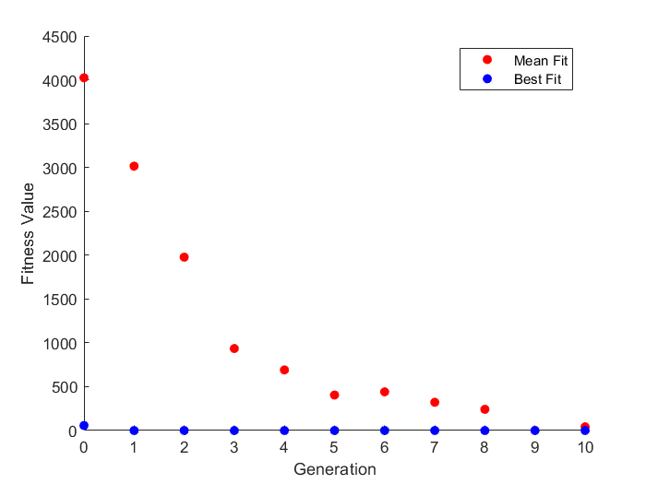
0.28996291527 | -0.3592123727 | -0.54895296391 | -0.19248265875 | 0.0060808854446 | -0.18919835397 | -0.41026539596 | 0.22521403155 | -0.68381923132 | 0.028893808088 |  |  |  |  |  | -0.23688242187 | -0.6007930344 | -0.56120672059 | -0.69975585937 | -0.0088944499999 | 0.60581439939 | -0.29759322189 | 0.49215545711 | -0.34957732053 | 0.060865499776
0.30949416527 | -0.3504233102 | -0.54114046391 | -0.20908422125 | -0.0007550520554 | -0.57560655475 | -0.62728122608 | 0.16271403155 | -0.62717860632 | 0.0074094330882 |  |  |  |  |  | -0.23297617187 | -0.6007930344 | -0.54558172059 | -0.7 | -0.0025467937499 | 0.60581439939 | -0.34446822189 | -0.35159454289 | -0.27145232053 | 0.060865499776
0.28800979027 | -0.3640951852 | -0.53723421391 | -0.25595922125 | -0.025169114555 | -0.62690791339 | -0.62728122608 | -0.58424287881 | -0.68577235632 | 0.038659433088 |  |  |  |  |  | -0.51503630544 | -0.5890742844 | -0.54558172059 | -0.7 | -0.0088944499999 | 0.60581439939 | -0.34446822189 | -0.52346954289 | -0.14645232053 | 0.12336549978
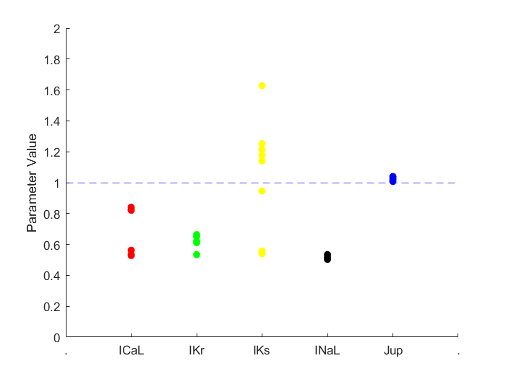
0.27824416527 | -0.3328451852 | -0.56457796391 | -0.22470922125 | -0.025169114555 | -0.17357335397 | -0.47569508346 | -0.055367086375 | -0.66155075227 | 0.020104745588 |  |  |  |  |  | -0.23688242187 | -0.5851680344 | -0.56120672059 | -0.686328125 | -0.0088944499999 | 0.60581439939 | -0.31321822189 | -0.52346954289 | -0.39645232053 | -0.12663450022

